10-year cash flow
Mendocino Coast District Hospital
Statement of Annual Projected Cash Flow
 | FY-22 | FY-23 | FY-24 | FY-25 | FY-26 | FYE-27 | FY-28 | FY-29 | FY-30
Sources of Cash:
Measure C | $1,587,896 | $1,587,896 | $1,587,896 | $1,587,896 | $1,587,896 | $1,587,896 | $1,587,896 | $1,587,896 | $1,587,896
Property Taxes | $956,580 | $970,929 | $985,492 | $1,000,275 | $1,015,279 | $1,030,508 | $1,045,966 | $1,061,655 | $1,077,580
AH Lease Payment | $1,750,000 | $1,750,000 | $1,750,000 | $1,750,000 | $2,950,000 | $3,038,500 | $3,129,655 | $3,223,545 | $3,320,251 | $19,341,700
Total Sources | $4,294,476 | $4,308,825 | $4,323,388 | $4,338,171 | $5,553,175 | $5,656,904 | $5,763,517 | $5,873,096 | $5,985,727 |  | $1,108,979
Uses of Cash: |  |  |  |  |  |  |  |  |  |  | $4,323,388
Improvements Fund (maintenance) | $2,060,000 | $2,121,800 | $2,185,454 | $2,251,018 | $2,318,548 | $2,388,105 | $2,459,748 | $2,533,540 | $2,609,546 | $20,927,759
Revenue Bonds- Refinanced 2016 | $565,500 | $563,200 | $565,600 | $562,550 | $564,750 | $561,500 | $562,250 | $561,750 | $-
Cal Mortgage Line of Credit (fully repaid in March 2022) | $- | $- | $- | $- | $- | $- | $- | $- | $-
HELP II Loan | $165,624 | $165,624 | $165,624 | $165,624 | $165,624 | $165,624 | $165,624 | $12,250 | $- | $1,171,618
UHC of California | $230,475 | $223,650 | $216,825 | $- | $- | $- | $- | $- | $-
Total Loan Repayrments | $961,599 | $952,474 | $948,049 | $728,174 | $730,374 | $727,124 | $727,874 | $574,000 | $-
Total Uses | $3,021,599 | $3,074,274 | $3,133,503 | $2,979,192 | $3,048,922 | $3,115,229 | $3,187,622 | $3,107,540 | $2,609,546
Cumulative Restricted Capital Account
 | Cumulative Restricted Capital Account
 | $1,533,087
 | $2,517,638
 | $3,457,523
 | $4,566,502
 | $6,820,755
 | $9,112,431
 | $11,438,326
 | $13,953,882
 | $17,080,062
Current Cash Assets (net, unrestriced) of District are $8.6M. The total available for a new facility will be $24M.
Cash Available for Distribution | $1,272,877 | $1,234,551 | $1,189,885 | $1,358,979 | $2,504,253 | $2,541,676 | $2,575,895 | $2,765,556 | $3,376,181
Less Distributions:
District's Revenues and Expenses
Lease Payment Increase
To the District Board for use in operating the District | $250,000 | $250,000 | $250,000 | $250,000 | $250,000 | $250,000 | $250,000 | $250,000 | $250,000
Restricted Capital Fund | $1,022,877 | $984,551 | $939,885 | $1,108,979 | $2,254,253 | $2,291,676 | $2,325,895 | $2,515,556 | $3,126,181

LAIF Dividends | $15,267 | $15,267 | $15,267 | $15,267 | $15,267 | $15,267 | $15,267 | $15,267 | $15,267
District Operating Cash (includes LAIF dividends) | $265,267 | $265,267 | $265,267 | $265,267 | $265,267 | $265,267 | $265,267 | $265,267 | $265,267

Restricted Capital Fund- Cumulative Cash

Cumulative Restricted Capital Account | $1,533,087 | $2,517,638 | $3,457,523 | $4,566,502 | $6,820,755 | $9,112,431 | $11,438,326 | $13,953,882 | $17,080,062
LAIF | $3,469,775
Other unrestricted cash assets | $7,138,338 |  |  |  |  |  | $875,000,000
Improvements fund (restricted) | $2,060,000
Cost report adjustment and IGT | $1,600,000
less current liabilities | $(5,631,192)
Money available for a new hospital | $8,636,921 | $9,621,472 | $10,561,357 | $11,670,337 | $13,924,589 | $16,216,265 | $18,542,160 | $21,057,716 | $24,183,897
 |  |  |  |  |  |  |  |  | 37%

Expenditure Pattern

S curve | 0.05 | 0.10 | 0.50 | 2.00 | 3.00 | 4.00 | 6.00 | 8.00 | 9.00
Total construction cost | 0.01 | 0.01 | 0.03 | 0.08 | 0.18 | 0.38 | 0.82 | 0.97 | 1.00
acceleration | $175,000 | $424,495 | $875,000 | $2,655,036 | $6,384,893 | $13,213,923 | $28,615,107 | $33,974,072 | $35,000,000
Yearly Expenses 10 Bes Hospital | $175,000 | $249,495 | $450,505 | $1,780,036 | $3,729,857 | $6,829,030 | $15,401,183 | $5,358,965 | $1,025,928 | $35,000,000
Restricted Capital Account balance | $8,461,921 | $9,196,977 | $9,686,357 | $9,015,300 | $7,539,696 | $3,002,342 | $(10,072,947) | $(12,916,356) | $(10,816,103)
acceleration | $437,500 | $1,061,238 | $2,187,500 | $6,637,591 | $15,962,233 | $33,034,809 | $71,537,767 | $84,935,180 | $87,500,000 | $87,500,000
Yearly Expenses 25 Bed Hospital | $437,500 | $623,738 | $1,126,262 | $4,450,091 | $9,324,643 | $17,072,575 | $38,502,958 | $13,397,413 | $2,564,820
Restricted Capital Account balance | $8,199,421 | $8,560,234 | $8,373,857 | $5,032,746 | $(2,037,644) | $(16,818,543) | $(52,995,607) | $(63,877,464) | $(63,316,103)
 |  |  |  |  |  |  |  | annual/10 yrs | $1,267,977
 |  |  |  |  |  |  |  | GO tax | $1,000,000
Paying for the Facility
Cost per bed | Option | 10 beds | Outpatient | 25 beds | 25 beds |  |  |  | Lease Payment | $2,000,000
3500000 | Cost | $35,000,000 | $45,000,000 | $87,500,000 | $87,500,000 |  |  |  | $1,732,023
 | Loan amount | $10,816,103 | $20,816,103 | $63,316,103 | $63,316,103
 | Term in years | $10 | $10 | $10 | $15
 | Annual payment | $(1,267,977) | $(2,440,282) | $(7,422,579) | $(5,303,773)
Paying for the Facility
 | Property Tax | $1,000,000 | $1,000,000 | $1,000,000 | $1,000,000
 | Lease Payment | $2,000,000 | $2,000,000 | $3,000,000 | $3,000,000
 | Measure C | $- | $- | $1,600,000 | $1,600,000
 | Net | $1,732,023 | $559,718 | $(1,822,579) | $296,227

Debt Service
 | Monthly | Annual | 2022 | 2023 | 2024 | 2025 | 2026 | 2027 | 2028 | 2029 | 2030
OSHPD | $27,672 | $83,016 | $83,016
UHC note |  | $210,000 | $210,000 | $210,000 | $157,500
HELP II | $13,802 | $165,624 | $165,624 | $165,624 | $165,624 | $165,624 | $165,624 | $165,624 | $165,624
Revenue Bonds - 2016 |  | $565,000 | $565,000 | $565,000 | $565,000 | $565,000 | $565,000 | $565,000 | $565,000 | $565,000 |  |  | 5745000
 |  |  | $1,023,640 | $940,624 | $888,124 | $730,624 | $730,624 | $730,624 | $730,624 | $565,000 |  |  | 2038000
 |  |  |  |  |  |  |  |  |  |  |  |  | 3707000
 |  |  |  |  |  |  |  |  |  |  |  |  | 3297000
Annual Debt Service
 | Revenue Bonds - 2016 | HELP II | UHC note | OSHPD | Total
2022 | $565,000 | $165,624 | $210,000 | 83016 | $940,624
2023 | $565,000 | $165,624 | $210,000 |  | $888,124
2024 | $565,000 | $165,624 | $157,500 |  | $730,624
2025 | $565,000 | $165,624 |  |  | $730,624
2026 | $565,000 | $165,624 |  |  | $730,624
2027 | $565,000 | $165,624 |  |  | $730,624
2028 | $565,000 | $165,624 |  |  | $565,000
2029 | $565,000
2030
 |  |  |  |  |  |  |  |  |  |  |  | $77,750
 |  |  |  |  |  |  |  |  |  |  |  | $483,750

 |  |  |  |  |  |  |  |  |  |  |  | 420000
 |  |  |  |  |  |  |  |  |  |  |  | 71600
 |  |  |  |  |  |  |  |  |  |  |  | 491600

Loans
As of Jan. 1 2022
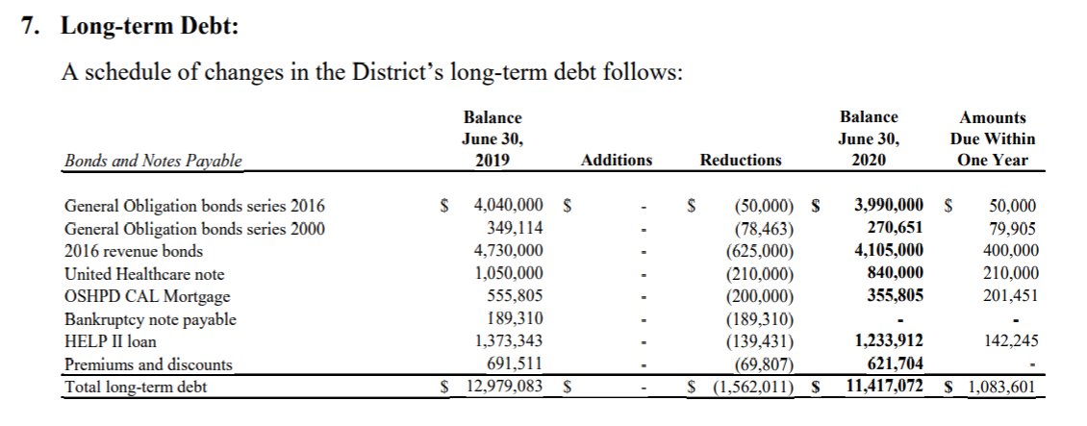
Name of Loan | HELP II | OSHPD | UHC note | Revenue Bonds - 2016
Lender | CA Financing Authority | Cal Mortgage | United Health Care | Bond holders | notes
Date of loan | 2017-09-01 | 2015-03-31 | 2014-04-25 | 2017-02-01 | Rev Bonds are re-paid every June 30th
Loan Amount | $1,500,000 | $1,005,805 | $2,100,000 | $5,745,000
Interest rate | 2.00% | 5.00% | 3.25% | 3%, then 5% in 2025
Term in years | 10 | 7 | 10
Monthly Payment | $13,802 | $27,672
Annual Payment |  |  | $210,000 | $565,000 | total payments in 2021
Outstanding Balance 6/30/2021 | $1,091,667 | $154,345 | $630,000 | $3,705,000 | $1,272,688 | $5,581,012
Outstanding Balance 12/31/2021 | $1,019,471 | $51,451 | $630,000 | $3,705,000 | total paymens in 2022
Date of last payment | 2028-12-01 | 2022-03-01 | 2024-04-25 | 2029-06-30 | $940,624
Required Reserve

interest | $1,699 |  |  | $185,250
principle | $12,103 |  |  | $379,750
 | 12% |  |  | 49%

 |  |  |  |  | 200040

 |  |  |  | 14304

